Arkusz1
No. | PHOTO | EAN | DESCRIPTION | QUANTITY | PRICE (EUR)
1 | 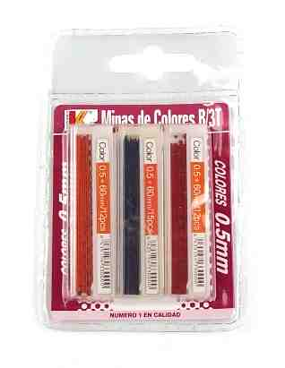 | 8435154330000 | Mechanical pencil refills 0.5 mm, color mix: orange, navy blue, red. Package dimensions: 12 x 8 x 1 cm | 29000 | 0.20 €
2 | 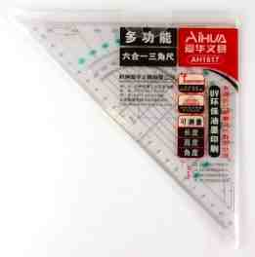 | 6932033507826 | Geometric square made of transparent plastic 25 cm. Printed protractor 180 degrees | 39000 | 0.22 €
3 | 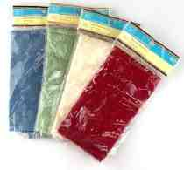 | 639277852663 | Fabric napkin, mix of colors. Size: 34 x 34 cm, material: 100% polyester. | 9000 | 0.22 €
4 | 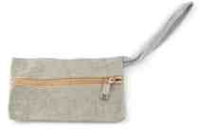 |  | Zippered fabric pouch, dimensions: 17 x 10 cm, color: grey | 18000 | 0.22 €
5 |  | 13051506346 | One Direction gift bag, 8 pcs. Dimensions: 23 x 16 cm, blister pack dimensions: 23 x 17 cm | 4200 | 0.15 €
6 | 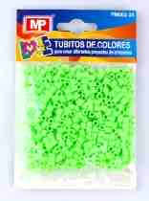 | 8435250973842 | Plastic tubes for scrapbooking, mix of colors. Blister pack of 15 x 10 cm | 58000 | 0.22 €
7 |  | 8435154311214 | Pencil with decoration, mix of designs. Length of pencil approx. 25 cm. Display carton 28 x 22 x 8 cm | 88000 | 0.22 €
8 | 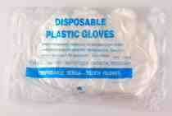 |  | Plastic protective gloves, size: large | 39000 | 0.22 €
9 |  |  | Floor drain, dimensions: 10 x 10 x 4 cm, color: silver | 7200 | 0.30 €
10 |  | 5906190101396 | Star Wars gift bag, mix of designs. Dimensions: 33 x 26 x 13 cm | 38000 | 0.24 €
11 |  |  | Prescription case, dimensions: 24 x 13 cm, dimensions of open case: 24 x 25 cm, color: brown | 8000 | 0.22 €
12 |  | 5016889123452 | Hair styling cream, 135 ml, glass bottle | 8400 | 0.20 €
13 | 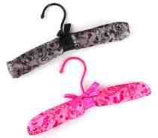 |  | Fabric clothes hanger, mixed patterns. Covered in soft satin fabric with pattern. Dimensions: 25 x 11 x 3 cm | 7200 | 0.22 €
14 | 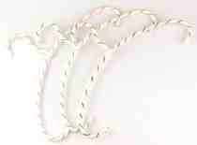 |  | Clothes hanger covered with string, mix of colors. Dimensions: 40 x 25 cm | 7200 | 0.22 €
15 | 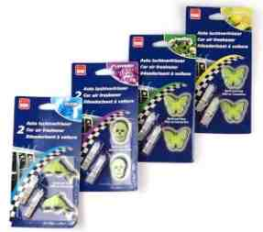 | 8712715982824 | Car fragrance, mix: lemon, lavender, vanilla, marine. blister pack of 16 x 8 cm | 19000 | 0.22 €
16 |  |  | Business stamp, mix of designs. Imprint size: 24 x 61 mm and 24 x 59 mm. Package dimensions: 10 x 9 x 4 cm | 5000 | 0.40 €
17 | 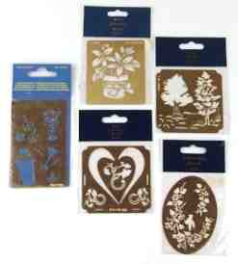 |  | Embossing template for scrapbooking, mix of designs. Color: gold | 76000 | 0.22 €
18 |  | 8719987145605 | Eyebrow depilation blade, 3 pcs. blister pack size 22 x 8 cm | 17000 | 0.25 €
19 | 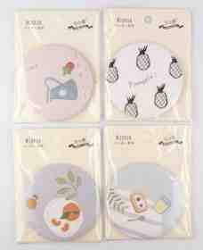 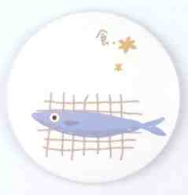 | 6971612797098 | Pocket mirror, mix of designs. Diameter: 7,5 cm. Blister pack of 11 x 8 cm | 98000 | 0.22 €
20 | 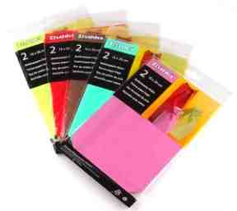 |  | Tissue paper gift bag, 2 pcs. / 3 pcs. Mix of colors / sizes: 13 x 22 cm, 16 x 22 cm. Blister pack of 29 x 16 cm and 25 x 14 cm | 21000 | 0.22 €
21 |  | 6901422001146 | Beach pillow, dimensions: 75 x 19 cm, blister pack 30 x 21 cm | 3200 | 0.25 €
22 | 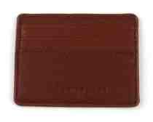 |  | Credit card case, dimensions: 10 x 8 cm, color: brown | 42000 | 0.20 €
23 |  |  | Children's socks / knee socks, mix of sizes and patterns | 42000 | 0.25 €
24 | 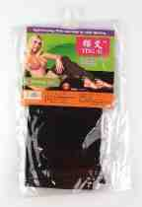 | 6936891107433.00 | 40D stockings, material: nylon, color: black | 12000 | 0.20 €
25 |  |  | Metal bracelet, mix of designs. Diameter: approx 6 cm. Color: silver | 9000 | 0.20 €
26 |  |  | Baby rattle toy, mix of designs. Dimensions of toy approx. 11 x 9 x 3 cm, blister pack 17 x 16 cm | 67000 | 0.35 €
27 |  |  | Natural wood beads, mix of designs. Different diameters: 13 mm, 10 mm, 9 mm, 8 mm. Package dimensions: 6 x 7 cm | 60000 | 0.32 €
 |  |  |  | 831400

